Indices

 | Iraq Stock Exchange
 | Bulletin No (4)
 | ISX Trading Indices of Thursday 8/1/2026

 | Traded Volume and OTC |  | 4,465,836,880 |  | Traded Value and OTC |  | 3,642,678,522 |  | Traders | 772

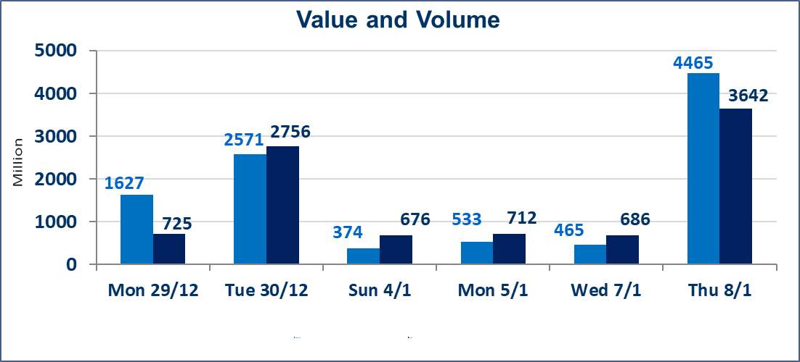
 | ISX Index 60 |  |  | 984.54 | ISX Index 15 |  |  | 1211.69
 | Previous ISX Index60 |  |  | 983.95 | Previous ISX Index15 |  |  | 1206.79
 | Change % |  |  | 0.06 | Change % |  |  | 0.41
 | Change |  |  | 0.59 | Change |  |  | 4.90

 | Listed Companies | 104 | OTC | 14 | Non Traded listed | 39 | OTC | 12
 | Traded Listed Companies | 49 | OTC | 2 | Higher Companies |  |  | 14
 | GAM Companies |  |  | 6 | Lower Companies |  |  | 15
 | Suspended Companies |  |  | 10
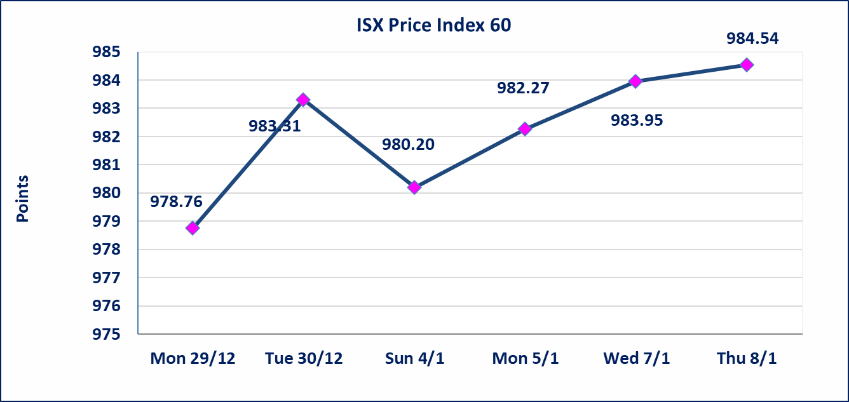
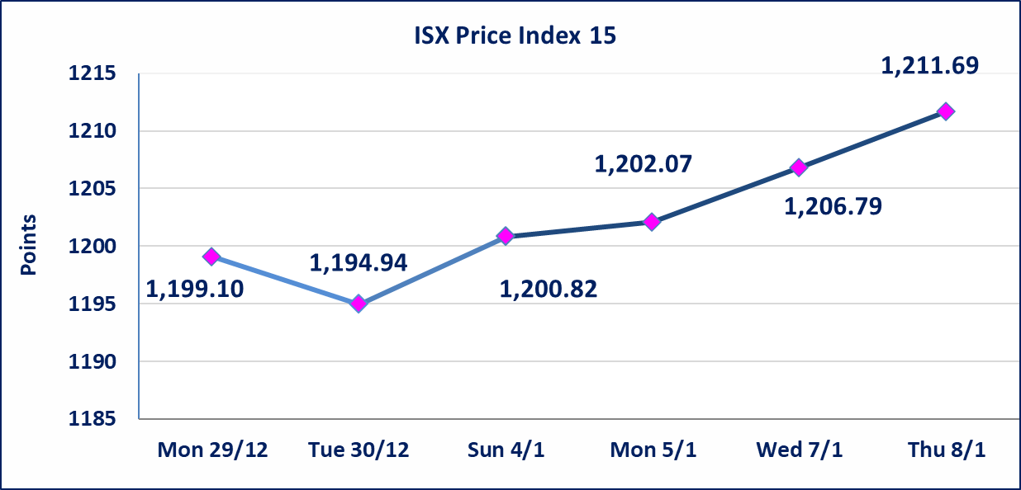

 | special orders | Elaf Brokerage Company executed a deliberate cross order on the shares of Al-Taif Islamic Bank Company with a number of (4) billion shares worth (3) billion dinars, during the additional session time (after 1 pm) in accordance with the procedures for executing large transactions.
Al-Alwiya P.O . 3607 Mobile: 07711211522 - 07270094594 - 07834000034 E-mail: info-isx@isx-iq.net Web site:www.isx-iq.net

Top 5
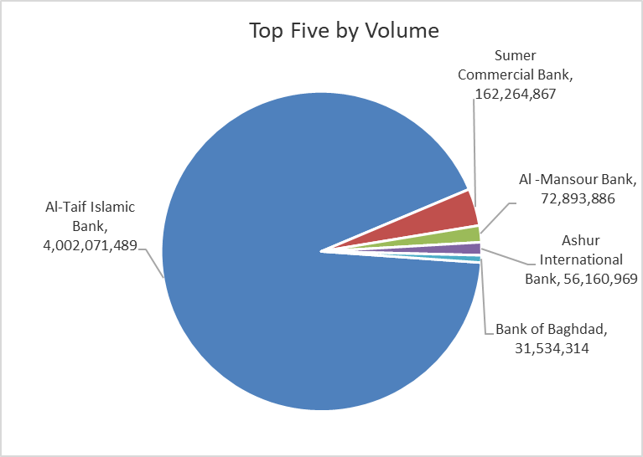
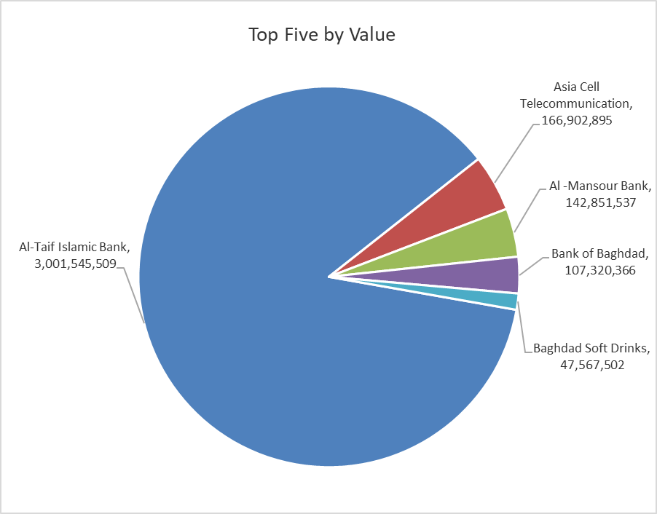
ISX top ganing and losing companies
Thursday 8/1/2026
 | Gainers |  |  |  | Losers
 | Company Name | Closing Price | Change (%) | Traded Volume | Company Name | Closing Price | Change (%) | Traded Volume
 | Trans Iraq Bank Investment | 0.220 | 15.79 | 109,284 | AL-Anssari Islamic Bank | 0.060 | -14.29 | 5,000,000
 | Rehab Karbalaa | 0.700 | 12.90 | 4,689 | Al-Mosul for funfairs | 7.490 | -6.37 | 25,000
 | Babil Animal & Vegetable Production | 7.100 | 9.06 | 792,995 | Al-Ameen for Insurance | 0.900 | -5.26 | 62,780
 | Al-Ahlyia agricultural production | 3.050 | 8.16 | 510,108 | Union Bank of Iraq | 0.190 | -5.00 | 1,000
 | Palestine Hotel | 25.200 | 5.00 | 303,184 | Iraqi Carton Manufactories | 1.990 | -3.86 | 1,637,370
 | The most active companies in term of traded volume and value

 | Traded Volume |  |  |  | Traded Value
 | Company Name | Closing Price | Change (%) | Traded Volume | Company Name | Closing Price | Change (%) | Traded Value
 | Al-Taif Islamic Bank | 0.750 | 0.00 | 4,002,071,489 | Al-Taif Islamic Bank | 0.750 | 0.00 | 3,001,545,509
 | Sumer Commercial Bank | 0.150 | 0.00 | 162,264,867 | Asia Cell Telecommunication | 13.850 | 1.09 | 166,902,895
 | Al -Mansour Bank | 1.980 | 1.02 | 72,893,886 | Al -Mansour Bank | 1.980 | 1.02 | 142,851,537
 | Ashur International Bank | 0.300 | -3.23 | 56,160,969 | Bank of Baghdad | 3.400 | -1.16 | 107,320,366
 | Bank of Baghdad | 3.400 | -1.16 | 31,534,314 | Baghdad Soft Drinks | 5.850 | 1.74 | 47,567,502

Non Iraqis

Iraq Stock Exchange
Non Iraqis' Bulletin Thursday january 8 2026
Regular Market

Non Iraqi Trading of Regular Market (Sell)
Company Names | Code | No.of trades | Traded Shares | Trading Volume
Telecommunication Sector
Asia cell | TASC | 1 | 24793 | 340904
Total Telecommunication sector |  | 1 | 24793 | 340904
Grand Total |  | 1 | 24793 | 340904

Non Iraqi Trading of Second Market (Sell)
Company Names | Code | No.of trades | Traded Shares | Trading Volume
Banks Sector
International Islamic Bank | BINT | 3 | 884920 | 176984
Total Bank sector |  | 3 | 884920 | 176984
Grand Total |  | 3 | 884920 | 176984

